Puzzle
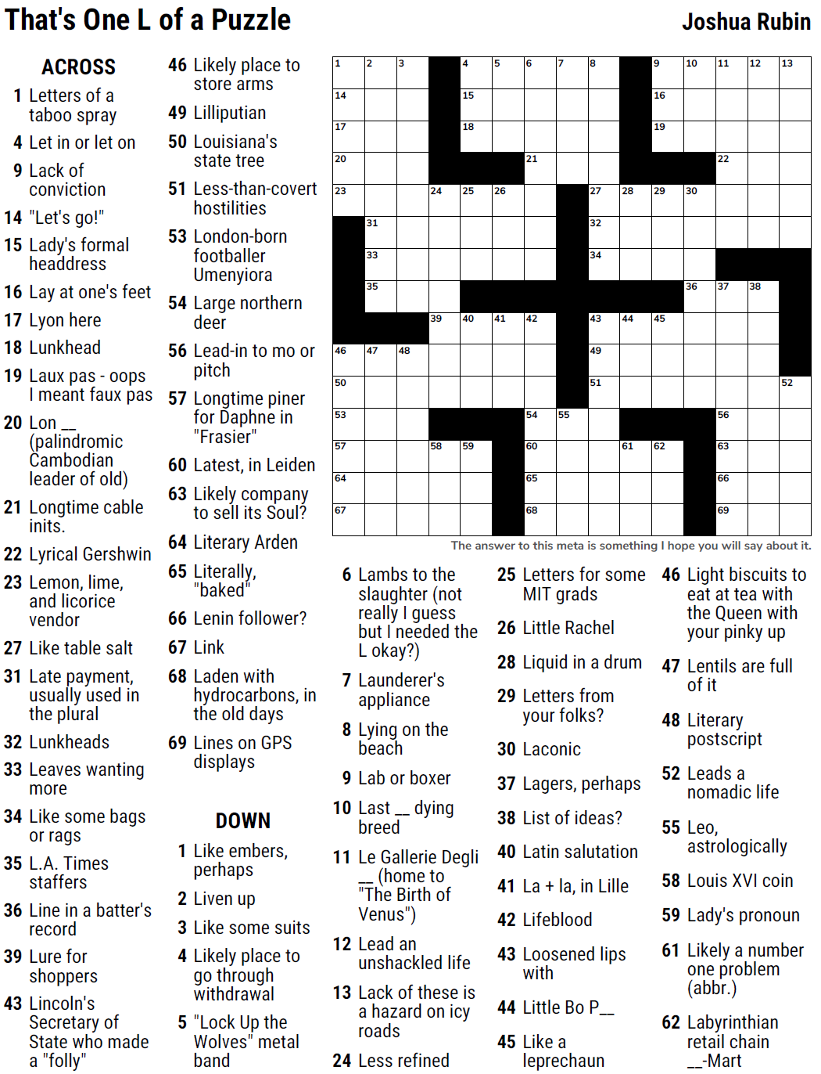
MEOW #42 — madhatter5 — That's One L of a Puzzle — 9-15-2021 |  |  |  |  |  |  |  |  |  |  |  |  | # | 1
1
3
4
5
6
7
8
9
10
11
12
13
14
17
20
23
46
50
53
57
64
67
31
33
35
47
48
24
39
58
15
18
25
40
59
26
41
21
42
54
60
65
68
55
27
32
34
43
49
51
28
44
61
16
19
29
45
62
30
36
22
37
56
63
66
69
38
52
2

SAVE AS to your drive. Fill-in grid above & more grids show below.
To move clues & to create & edit Shapes: Review… Unprotect Sheet BE CAREFUL NOT TO MOVE, DELETE, NOR EDIT CLUE NUMBERS IN GRIDS rev20201030
PM Joe Ross w/questions & comments
That's One L of a Puzzle — something Josh hopes you will say about this
 |  |  |  |  |  |  |  |  |  |  |  |  | # | 2
1
3
4
5
6
7
8
9
10
11
12
13
14
17
20
23
46
50
53
57
64
67
31
33
35
47
48
24
39
58
15
18
25
40
59
26
41
21
42
54
60
65
68
55
27
32
34
43
49
51
28
44
61
16
19
29
45
62
30
36
22
37
56
63
66
69
38
52
2
0 | 0 | 0 | 0 | 0 | 0 | 0 | 0 | 0 | 0 | 0 | 0 | 0 | 0 | 0
0 | 0 | 0 | 0 | 0 | 0 | 0 | 0 | 0 | 0 | 0 | 0 | 0 | 0 | 0
0 | 0 | 0 | 0 | 0 | 0 | 0 | 0 | 0 | 0 | 0 | 0 | 0 | 0 | 0
0 | 0 | 0 | 0 | 0 | 0 | 0 | 0 | 0 | 0 | 0 | 0 | 0 | 0 | 0
0 | 0 | 0 | 0 | 0 | 0 | 0 | 0 | 0 | 0 | 0 | 0 | 0 | 0 | 0
0 | 0 | 0 | 0 | 0 | 0 | 0 | 0 | 0 | 0 | 0 | 0 | 0 | 0 | 0
0 | 0 | 0 | 0 | 0 | 0 | 0 | 0 | 0 | 0 | 0 | 0 | 0 | 0 | 0
0 | 0 | 0 | 0 | 0 | 0 | 0 | 0 | 0 | 0 | 0 | 0 | 0 | 0 | 0
0 | 0 | 0 | 0 | 0 | 0 | 0 | 0 | 0 | 0 | 0 | 0 | 0 | 0 | 0
0 | 0 | 0 | 0 | 0 | 0 | 0 | 0 | 0 | 0 | 0 | 0 | 0 | 0 | 0
0 | 0 | 0 | 0 | 0 | 0 | 0 | 0 | 0 | 0 | 0 | 0 | 0 | 0 | 0
0 | 0 | 0 | 0 | 0 | 0 | 0 | 0 | 0 | 0 | 0 | 0 | 0 | 0 | 0
0 | 0 | 0 | 0 | 0 | 0 | 0 | 0 | 0 | 0 | 0 | 0 | 0 | 0 | 0
0 | 0 | 0 | 0 | 0 | 0 | 0 | 0 | 0 | 0 | 0 | 0 | 0 | 0 | 0
0 | 0 | 0 | 0 | 0 | 0 | 0 | 0 | 0 | 0 | 0 | 0 | 0 | 0 | 0
That's One L of a Puzzle — something Josh hopes you will say about this
 |  |  |  |  |  |  |  |  |  |  |  |  | # | 3
1
3
4
5
6
7
8
9
10
11
12
13
14
17
20
23
46
50
53
57
64
67
31
33
35
47
48
24
39
58
15
18
25
40
59
26
41
21
42
54
60
65
68
55
27
32
34
43
49
51
28
44
61
16
19
29
45
62
30
36
22
37
0 | 0 | 0 | 0 | 0 | 0 | 0 | 0 | 0 | 0 | 0 | 0 | 0 | 0 | 0
0 | 0 | 0 | 0 | 0 | 0 | 0 | 0 | 0 | 0 | 0 | 0 | 0 | 0 | 0
0 | 0 | 0 | 0 | 0 | 0 | 0 | 0 | 0 | 0 | 0 | 0 | 0 | 0 | 0
0 | 0 | 0 | 0 | 0 | 0 | 0 | 0 | 0 | 0 | 0 | 0 | 0 | 0 | 0
0 | 0 | 0 | 0 | 0 | 0 | 0 | 0 | 0 | 0 | 0 | 0 | 0 | 0 | 0
0 | 0 | 0 | 0 | 0 | 0 | 0 | 0 | 0 | 0 | 0 | 0 | 0 | 0 | 0
0 | 0 | 0 | 0 | 0 | 0 | 0 | 0 | 0 | 0 | 0 | 0 | 0 | 0 | 0
0 | 0 | 0 | 0 | 0 | 0 | 0 | 0 | 0 | 0 | 0 | 0 | 0 | 0 | 0
0 | 0 | 0 | 0 | 0 | 0 | 0 | 0 | 0 | 0 | 0 | 0 | 0 | 0 | 0
0 | 0 | 0 | 0 | 0 | 0 | 0 | 0 | 0 | 0 | 0 | 0 | 0 | 0 | 0
0 | 0 | 0 | 0 | 0 | 0 | 0 | 0 | 0 | 0 | 0 | 0 | 0 | 0 | 0
0 | 0 | 0 | 0 | 0 | 0 | 0 | 0 | 0 | 0 | 0 | 0 | 0 | 0 | 0
0 | 0 | 0 | 0 | 0 | 0 | 0 | 0 | 0 | 0 | 0 | 0 | 0 | 0 | 0
0 | 0 | 0 | 0 | 0 | 0 | 0 | 0 | 0 | 0 | 0 | 0 | 0 | 0 | 0
0 | 0 | 0 | 0 | 0 | 0 | 0 | 0 | 0 | 0 | 0 | 0 | 0 | 0 | 0
That's One L of a Puzzle — something Josh hopes you will say about this
 |  |  |  |  |  |  |  |  |  |  |  |  | # | 4 | -
0 | 0 | 0 | 0 | 0 | 0 | 0 | 0 | 0 | 0 | 0 | 0 | 0 | 0 | 0
0 | 0 | 0 | 0 | 0 | 0 | 0 | 0 | 0 | 0 | 0 | 0 | 0 | 0 | 0
0 | 0 | 0 | 0 | 0 | 0 | 0 | 0 | 0 | 0 | 0 | 0 | 0 | 0 | 0
0 | 0 | 0 | 0 | 0 | 0 | 0 | 0 | 0 | 0 | 0 | 0 | 0 | 0 | 0
0 | 0 | 0 | 0 | 0 | 0 | 0 | 0 | 0 | 0 | 0 | 0 | 0 | 0 | 0
0 | 0 | 0 | 0 | 0 | 0 | 0 | 0 | 0 | 0 | 0 | 0 | 0 | 0 | 0
0 | 0 | 0 | 0 | 0 | 0 | 0 | 0 | 0 | 0 | 0 | 0 | 0 | 0 | 0
0 | 0 | 0 | 0 | 0 | 0 | 0 | 0 | 0 | 0 | 0 | 0 | 0 | 0 | 0
0 | 0 | 0 | 0 | 0 | 0 | 0 | 0 | 0 | 0 | 0 | 0 | 0 | 0 | 0
0 | 0 | 0 | 0 | 0 | 0 | 0 | 0 | 0 | 0 | 0 | 0 | 0 | 0 | 0
0 | 0 | 0 | 0 | 0 | 0 | 0 | 0 | 0 | 0 | 0 | 0 | 0 | 0 | 0
0 | 0 | 0 | 0 | 0 | 0 | 0 | 0 | 0 | 0 | 0 | 0 | 0 | 0 | 0
0 | 0 | 0 | 0 | 0 | 0 | 0 | 0 | 0 | 0 | 0 | 0 | 0 | 0 | 0
0 | 0 | 0 | 0 | 0 | 0 | 0 | 0 | 0 | 0 | 0 | 0 | 0 | 0 | 0
0 | 0 | 0 | 0 | 0 | 0 | 0 | 0 | 0 | 0 | 0 | 0 | 0 | 0 | 0
That's One L of a Puzzle — something Josh hopes you will say about this
 |  |  |  |  |  |  |  |  |  |  |  |  | # | 5
0 | 0 | 0 | 0 | 0 | 0 | 0 | 0 | 0 | 0 | 0 | 0 | 0 | 0 | 0
0 | 0 | 0 | 0 | 0 | 0 | 0 | 0 | 0 | 0 | 0 | 0 | 0 | 0 | 0
0 | 0 | 0 | 0 | 0 | 0 | 0 | 0 | 0 | 0 | 0 | 0 | 0 | 0 | 0
0 | 0 | 0 | 0 | 0 | 0 | 0 | 0 | 0 | 0 | 0 | 0 | 0 | 0 | 0
0 | 0 | 0 | 0 | 0 | 0 | 0 | 0 | 0 | 0 | 0 | 0 | 0 | 0 | 0
0 | 0 | 0 | 0 | 0 | 0 | 0 | 0 | 0 | 0 | 0 | 0 | 0 | 0 | 0
0 | 0 | 0 | 0 | 0 | 0 | 0 | 0 | 0 | 0 | 0 | 0 | 0 | 0 | 0
0 | 0 | 0 | 0 | 0 | 0 | 0 | 0 | 0 | 0 | 0 | 0 | 0 | 0 | 0
0 | 0 | 0 | 0 | 0 | 0 | 0 | 0 | 0 | 0 | 0 | 0 | 0 | 0 | 0
0 | 0 | 0 | 0 | 0 | 0 | 0 | 0 | 0 | 0 | 0 | 0 | 0 | 0 | 0
0 | 0 | 0 | 0 | 0 | 0 | 0 | 0 | 0 | 0 | 0 | 0 | 0 | 0 | 0
0 | 0 | 0 | 0 | 0 | 0 | 0 | 0 | 0 | 0 | 0 | 0 | 0 | 0 | 0
0 | 0 | 0 | 0 | 0 | 0 | 0 | 0 | 0 | 0 | 0 | 0 | 0 | 0 | 0
0 | 0 | 0 | 0 | 0 | 0 | 0 | 0 | 0 | 0 | 0 | 0 | 0 | 0 | 0
0 | 0 | 0 | 0 | 0 | 0 | 0 | 0 | 0 | 0 | 0 | 0 | 0 | 0 | 0
That's One L of a Puzzle — something Josh hopes you will say about this
 |  |  |  |  |  |  |  |  |  |  |  |  | # | 6
0 | 0 | 0 | 0 | 0 | 0 | 0 | 0 | 0 | 0 | 0 | 0 | 0 | 0 | 0
0 | 0 | 0 | 0 | 0 | 0 | 0 | 0 | 0 | 0 | 0 | 0 | 0 | 0 | 0
0 | 0 | 0 | 0 | 0 | 0 | 0 | 0 | 0 | 0 | 0 | 0 | 0 | 0 | 0
0 | 0 | 0 | 0 | 0 | 0 | 0 | 0 | 0 | 0 | 0 | 0 | 0 | 0 | 0
0 | 0 | 0 | 0 | 0 | 0 | 0 | 0 | 0 | 0 | 0 | 0 | 0 | 0 | 0
0 | 0 | 0 | 0 | 0 | 0 | 0 | 0 | 0 | 0 | 0 | 0 | 0 | 0 | 0
0 | 0 | 0 | 0 | 0 | 0 | 0 | 0 | 0 | 0 | 0 | 0 | 0 | 0 | 0
0 | 0 | 0 | 0 | 0 | 0 | 0 | 0 | 0 | 0 | 0 | 0 | 0 | 0 | 0
0 | 0 | 0 | 0 | 0 | 0 | 0 | 0 | 0 | 0 | 0 | 0 | 0 | 0 | 0
0 | 0 | 0 | 0 | 0 | 0 | 0 | 0 | 0 | 0 | 0 | 0 | 0 | 0 | 0
0 | 0 | 0 | 0 | 0 | 0 | 0 | 0 | 0 | 0 | 0 | 0 | 0 | 0 | 0
0 | 0 | 0 | 0 | 0 | 0 | 0 | 0 | 0 | 0 | 0 | 0 | 0 | 0 | 0
0 | 0 | 0 | 0 | 0 | 0 | 0 | 0 | 0 | 0 | 0 | 0 | 0 | 0 | 0
0 | 0 | 0 | 0 | 0 | 0 | 0 | 0 | 0 | 0 | 0 | 0 | 0 | 0 | 0
0 | 0 | 0 | 0 | 0 | 0 | 0 | 0 | 0 | 0 | 0 | 0 | 0 | 0 | 0
That's One L of a Puzzle — something Josh hopes you will say about this
 |  |  |  |  |  |  |  |  |  |  |  |  | # | 7 | -
0 | 0 | 0 | 0 | 0 | 0 | 0 | 0 | 0 | 0 | 0 | 0 | 0 | 0 | 0
0 | 0 | 0 | 0 | 0 | 0 | 0 | 0 | 0 | 0 | 0 | 0 | 0 | 0 | 0
0 | 0 | 0 | 0 | 0 | 0 | 0 | 0 | 0 | 0 | 0 | 0 | 0 | 0 | 0
0 | 0 | 0 | 0 | 0 | 0 | 0 | 0 | 0 | 0 | 0 | 0 | 0 | 0 | 0
0 | 0 | 0 | 0 | 0 | 0 | 0 | 0 | 0 | 0 | 0 | 0 | 0 | 0 | 0
0 | 0 | 0 | 0 | 0 | 0 | 0 | 0 | 0 | 0 | 0 | 0 | 0 | 0 | 0
0 | 0 | 0 | 0 | 0 | 0 | 0 | 0 | 0 | 0 | 0 | 0 | 0 | 0 | 0
0 | 0 | 0 | 0 | 0 | 0 | 0 | 0 | 0 | 0 | 0 | 0 | 0 | 0 | 0
0 | 0 | 0 | 0 | 0 | 0 | 0 | 0 | 0 | 0 | 0 | 0 | 0 | 0 | 0
0 | 0 | 0 | 0 | 0 | 0 | 0 | 0 | 0 | 0 | 0 | 0 | 0 | 0 | 0
0 | 0 | 0 | 0 | 0 | 0 | 0 | 0 | 0 | 0 | 0 | 0 | 0 | 0 | 0
0 | 0 | 0 | 0 | 0 | 0 | 0 | 0 | 0 | 0 | 0 | 0 | 0 | 0 | 0
0 | 0 | 0 | 0 | 0 | 0 | 0 | 0 | 0 | 0 | 0 | 0 | 0 | 0 | 0
0 | 0 | 0 | 0 | 0 | 0 | 0 | 0 | 0 | 0 | 0 | 0 | 0 | 0 | 0
0 | 0 | 0 | 0 | 0 | 0 | 0 | 0 | 0 | 0 | 0 | 0 | 0 | 0 | 0
That's One L of a Puzzle — something Josh hopes you will say about this
 |  |  |  |  |  |  |  |  |  |  |  |  | # | 8
0 | 0 | 0 | 0 | 0 | 0 | 0 | 0 | 0 | 0 | 0 | 0 | 0 | 0 | 0
0 | 0 | 0 | 0 | 0 | 0 | 0 | 0 | 0 | 0 | 0 | 0 | 0 | 0 | 0
0 | 0 | 0 | 0 | 0 | 0 | 0 | 0 | 0 | 0 | 0 | 0 | 0 | 0 | 0
0 | 0 | 0 | 0 | 0 | 0 | 0 | 0 | 0 | 0 | 0 | 0 | 0 | 0 | 0
0 | 0 | 0 | 0 | 0 | 0 | 0 | 0 | 0 | 0 | 0 | 0 | 0 | 0 | 0
0 | 0 | 0 | 0 | 0 | 0 | 0 | 0 | 0 | 0 | 0 | 0 | 0 | 0 | 0
0 | 0 | 0 | 0 | 0 | 0 | 0 | 0 | 0 | 0 | 0 | 0 | 0 | 0 | 0
0 | 0 | 0 | 0 | 0 | 0 | 0 | 0 | 0 | 0 | 0 | 0 | 0 | 0 | 0
0 | 0 | 0 | 0 | 0 | 0 | 0 | 0 | 0 | 0 | 0 | 0 | 0 | 0 | 0
0 | 0 | 0 | 0 | 0 | 0 | 0 | 0 | 0 | 0 | 0 | 0 | 0 | 0 | 0
0 | 0 | 0 | 0 | 0 | 0 | 0 | 0 | 0 | 0 | 0 | 0 | 0 | 0 | 0
0 | 0 | 0 | 0 | 0 | 0 | 0 | 0 | 0 | 0 | 0 | 0 | 0 | 0 | 0
0 | 0 | 0 | 0 | 0 | 0 | 0 | 0 | 0 | 0 | 0 | 0 | 0 | 0 | 0
0 | 0 | 0 | 0 | 0 | 0 | 0 | 0 | 0 | 0 | 0 | 0 | 0 | 0 | 0
0 | 0 | 0 | 0 | 0 | 0 | 0 | 0 | 0 | 0 | 0 | 0 | 0 | 0 | 0
That's One L of a Puzzle — something Josh hopes you will say about this
 |  |  |  |  |  |  |  |  |  |  |  |  | # | 9 | -
0 | 0 | 0 | 0 | 0 | 0 | 0 | 0 | 0 | 0 | 0 | 0 | 0 | 0 | 0
0 | 0 | 0 | 0 | 0 | 0 | 0 | 0 | 0 | 0 | 0 | 0 | 0 | 0 | 0
0 | 0 | 0 | 0 | 0 | 0 | 0 | 0 | 0 | 0 | 0 | 0 | 0 | 0 | 0
0 | 0 | 0 | 0 | 0 | 0 | 0 | 0 | 0 | 0 | 0 | 0 | 0 | 0 | 0
0 | 0 | 0 | 0 | 0 | 0 | 0 | 0 | 0 | 0 | 0 | 0 | 0 | 0 | 0
0 | 0 | 0 | 0 | 0 | 0 | 0 | 0 | 0 | 0 | 0 | 0 | 0 | 0 | 0
0 | 0 | 0 | 0 | 0 | 0 | 0 | 0 | 0 | 0 | 0 | 0 | 0 | 0 | 0
0 | 0 | 0 | 0 | 0 | 0 | 0 | 0 | 0 | 0 | 0 | 0 | 0 | 0 | 0
0 | 0 | 0 | 0 | 0 | 0 | 0 | 0 | 0 | 0 | 0 | 0 | 0 | 0 | 0
0 | 0 | 0 | 0 | 0 | 0 | 0 | 0 | 0 | 0 | 0 | 0 | 0 | 0 | 0
0 | 0 | 0 | 0 | 0 | 0 | 0 | 0 | 0 | 0 | 0 | 0 | 0 | 0 | 0
0 | 0 | 0 | 0 | 0 | 0 | 0 | 0 | 0 | 0 | 0 | 0 | 0 | 0 | 0
0 | 0 | 0 | 0 | 0 | 0 | 0 | 0 | 0 | 0 | 0 | 0 | 0 | 0 | 0
0 | 0 | 0 | 0 | 0 | 0 | 0 | 0 | 0 | 0 | 0 | 0 | 0 | 0 | 0
0 | 0 | 0 | 0 | 0 | 0 | 0 | 0 | 0 | 0 | 0 | 0 | 0 | 0 | 0
That's One L of a Puzzle — something Josh hopes you will say about this
 |  |  |  |  |  |  |  |  |  |  |  |  | # | 10 | -
0 | 0 | 0 | 0 | 0 | 0 | 0 | 0 | 0 | 0 | 0 | 0 | 0 | 0 | 0
0 | 0 | 0 | 0 | 0 | 0 | 0 | 0 | 0 | 0 | 0 | 0 | 0 | 0 | 0
0 | 0 | 0 | 0 | 0 | 0 | 0 | 0 | 0 | 0 | 0 | 0 | 0 | 0 | 0
0 | 0 | 0 | 0 | 0 | 0 | 0 | 0 | 0 | 0 | 0 | 0 | 0 | 0 | 0
0 | 0 | 0 | 0 | 0 | 0 | 0 | 0 | 0 | 0 | 0 | 0 | 0 | 0 | 0
0 | 0 | 0 | 0 | 0 | 0 | 0 | 0 | 0 | 0 | 0 | 0 | 0 | 0 | 0
0 | 0 | 0 | 0 | 0 | 0 | 0 | 0 | 0 | 0 | 0 | 0 | 0 | 0 | 0
0 | 0 | 0 | 0 | 0 | 0 | 0 | 0 | 0 | 0 | 0 | 0 | 0 | 0 | 0
0 | 0 | 0 | 0 | 0 | 0 | 0 | 0 | 0 | 0 | 0 | 0 | 0 | 0 | 0
0 | 0 | 0 | 0 | 0 | 0 | 0 | 0 | 0 | 0 | 0 | 0 | 0 | 0 | 0
...

